Debit and credit
p.1.2a
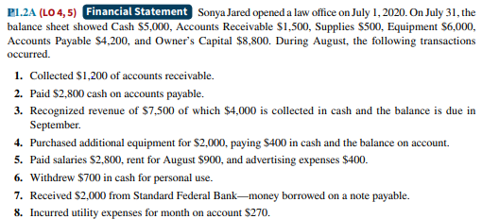
 | debit |  |  |  | = | credit
Transaction | Asset |  |  |  | = | Liabilities |  | + | Owner's Equity
 | Cash | Accounts Receivable | Supplies | Equipment |  | Accounts Payable | Notes Payable |  | Capital | Drawings | Revenue | Expense
Balance | 5000 | 1500 | 500 | 6000 |  | 4200 |  |  | 8800
1 | 1200 | -1200
2 | -2800 |  |  |  |  | -2800
3 | 4000 | 3500 |  |  |  |  |  |  |  |  | 7500
4 | -400 |  |  | 2000 |  | 1600
5 | -4100 |  |  |  |  |  |  |  |  |  |  | -2800
 |  |  |  |  |  |  |  |  |  |  |  | -900
 |  |  |  |  |  |  |  |  |  |  |  | -400
6 | -700 |  |  |  |  |  |  |  |  | -700
7 | 2000 |  |  |  |  |  | 2000
8 |  |  |  |  |  | 270 |  |  |  |  |  | -270
Total | 4200 | 3800 | 500 | 8000 |  | 3270 | 2000 |  | 8800 | -700 | 7500 | -4370
 | 16500 |  |  |  | = | 16500
 |  |  |  |  |  |  |  |  |  |  |  |  |  | 3130
 |  |  | Explanation |  |  |  | What to do |  |  |  |  |  | Examples
 | Debit |  | Anything thing that belongs to us |  |  |  | to increase debit to decrease credit |  |  |  |  | purchase or increase in asset, expenses, drawings, reducing liabilities
 | Credit |  | Anything thing that belongs to others |  |  |  | to increase creditit to decrease debit |  |  |  |  | increase in liabilities, revenue, capital,reducing asset

